App tour -Test Cases
Sr. No. | Test Scenarios | Steps | Test Case | Dependency | Remarks | UI Screens | Developer Comments | iOS Pass/Fail
1 | 1. New App Launch 2. User uninstalls the app and Reinstall on the same device 3. Clear data / Cache from OS settings | App launch > App loading screen | 1. App loading screen with MirAIe logo with Connected living text. |  | Loading Screen image after app launch Pixel phones will show 2 screens | 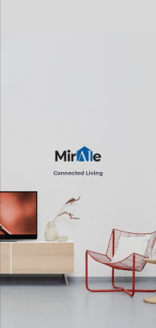 |  | Pass
2 |  | User onboarding screen 1 | Connected Devices Connect all your compatible smart devices with the MirAIe App. (With Graphics image) |  | a. Scrolling screen to right will show scren 2 b. With 1 of 3 highlighted dots | 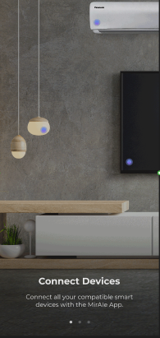 |  | Pass
3 |  | User onboarding screen 2 | Control Appliances Control your devices on the go from the MirAIe App. (With Graphics image) |  | a. Scrolling screen 2 from left side will show screen 1 b. Scrolling screen 2 from right side with move to screen 3 c. With 2 of 3 highlighted dots | 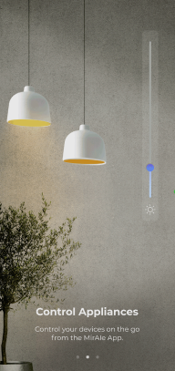 |  | Pass
4 |  | User onboarding screen 3 | Sit back and relax Automate controls, quickly raise service requests and live the MirAIe life. Get Started button (With Graphics image) |  | a. Scrolling screen 3 from left side will show screen 2 b. With 3 of 3 highlighted dots | 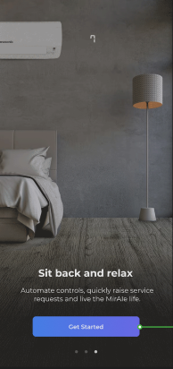 |  | Pass
5 | Login / Sign up screen after user clicks on Get started button | User can able to see Login/Sign up and Forgot password? Details on the screen | User will land to Login/Sign up screen after App tour ends |  | Normal journey will continue for Login / Sign up |  |  | Pass
6 | First time user sign up journey | Click on Sign up > Enter mobile / email and registered | User will land to setup Home details page after successfully completed sign up for new user |  | In previous implement user land to App tour journey after new register successful |  |  | Pass

7 | From the App Setting Screen | App launch > User Login > Go to app settings screen > Click on Welcome To MirAIe option | User able to click on Welcome to MirAIe option from app setting screen |  |  | 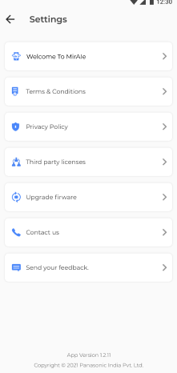 |  | Pass
8 |  | App launch > User Login > Go to app settings screen > Click on Welcome To MirAIe option > App Tour - Slide 1 | a. Connected Devices Connect all your compatible smart devices with the MirAIe App. b. Navigate back to app setting screen if user clicks on Back button on the top left hand corner. (With Graphics image) |  | a. Scrolling screen to right will show scren 2 b. With 1 of 3 highlighted dots | 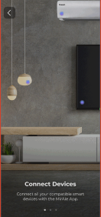 |  | Pass
9 |  | App launch > User Login > Go to app settings screen > Click on Welcome To MirAIe option > App Tour - Slide 2 | a. Control Appliances Control your devices on the go from the MirAIe App. b. Navigate back to app setting screen if user clicks on Back button on the top left hand corner. (With Graphics image) |  | a. Scrolling screen 2 from left side will show screen 1 b. Scrolling screen 2 from right side with move to screen 3 c. With 2 of 3 highlighted dots | 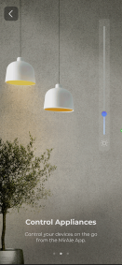 |  | Pass
10 |  | App launch > User Login > Go to app settings screen > Click on Welcome To MirAIe option > App Tour - Slide 3 | a. Sit back and relax Automate controls, quickly raise service requests and live the MirAIe life. b. Navigate back to app setting screen after user move screen to right. c. Navigate back to app setting screen if user clicks on Back button on the top left hand corner. (With Graphics image) |  | a. Scrolling screen 3 from left side will show screen 2 b. With 3 of 3 highlighted dots | 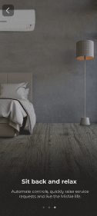 |  | Pass
11 |  | App launch > User Login > Go to app settings screen > Click on Welcome To MirAIe option > App Tour ends > Click on back button | Navigate back to app setting screen after App Tour ends screen by clicking on back button |  | Clicks back button user will land to App setting screen | UI Team need to provide Done or close option |  | Pass

12 | Kill the app in between app tour after app launch. | App launch > App tour slides | Only after the screens are completely shown, it will be remembered and not shown again in the next launch. If user has not seen them completely, it has to show up again |  | The goal is user should see it atleast once completely |  |  | Pass

iOS Bugs
Sl. No | Steps | Issue summary | Priority | Status | Tested ver. / App center ver. | Resut Pass/Fail | Remarks | Responsibility | Developer comments
1 | App launch > App loading screen | Directly launching to app tour journey with out showing App loading screen with MirAIe logo and with Connected living text | High | Closed | 1.3.19 (7) | Pass |  | Dev teams | Done
2 | User onboarding screen 1 | Device Blue color indicator wave is not re playing, It is playing once in a while (UI issue) | Low | Closed | 1.3.19 (5) | Pass | 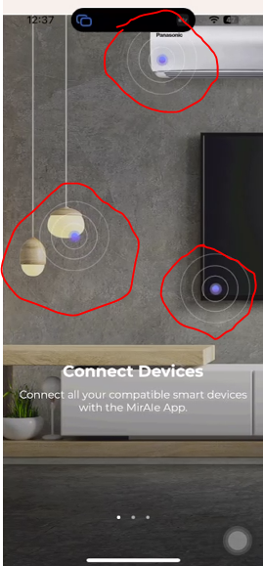 | Dev teams | Done
3 | User onboarding screen 2 | Lights image and brightness image is not re playing, It is playing once in a while (UI issue) | Low | Closed | 1.3.19 (5) | Pass |  | Dev teams | Done
4 | User onboarding screen 3 | Lights image, Initiating schedule time text and AC Air flowing image is not re playing, It is playing once in a while (UI issue) | Low | Closed | 1.3.19 (5) | Pass |  | Dev teams | Done
5 | User onboarding screen 1,2,3 | Text is not properly placed on the screen, It should be bottom of the screens as per Figma screen (UI Issue) for all the screens | Low | Closed | 1.3.19 (7) | Pass | 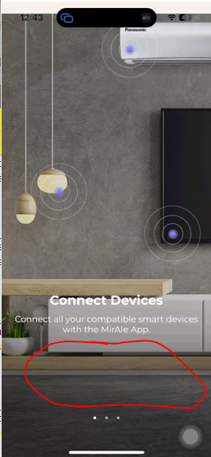 | Dev teams | Done
6 | User onboarding screen 1 | Device Blue color indicator is not placed on the device properly as per the figma design (UI issue) | Low | New | 1.3.19 (1) | Fail |  | UI / UX | pending
7 | App launch > User Login > Go to app settings screen > Click on Welcome To MirAIe option > App Tour - Slide 1 | Device Blue color indicator is not placed on the device properly as per the figma design (UI issue) | Low | New | 1.3.19 (1) | Fail | 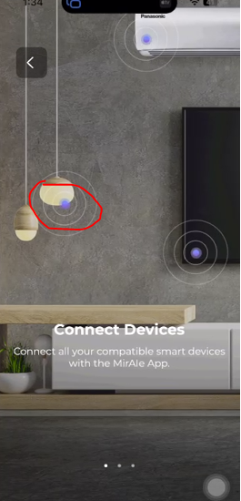 | UI / UX | pending
8 | User onboarding screen 1,2,3 | Blank screen will display initially While scrolling slides from left to right and right to left | High | Closed | 1.3.19 (7) | Pass | Video will be shared seperatly | Dev teams | Done
9 | Kill the app in between app tour after app launch. | App tour is not showing again If user has not seen them completely after killed app and re launch it again. | High | Closed | 1.3.19 (7) | Pass |  | Dev teams | Done
10 | Click on Sign up > Enter mobile / email and registered > Home | Again showing app tour journey instead of landing to Home update screen | High | Closed | 1.3.19 (5) | Pass |  | Dev teams | Done
11 | Click on Sign up > Enter mobile / email and registered > App tour | App getting crashes after clicking on back button and showing white screen, Logs are not captured but need to kill the app. | High | Closed | 1.3.19 (5) | Pass |  | Dev teams | not able to re produce
12 | App launch > User Login > Go to app settings screen > Click on Welcome To MirAIe option > App Tour - Slide 1 | Device Blue color indicator wave is not re playing, It is playing once in a while (UI issue) | Low | Closed | 1.3.19 (5) | Pass |  | Dev teams | Done
13 | App launch > User Login > Go to app settings screen > Click on Welcome To MirAIe option > App Tour - Slide 2 | Lights image and brightness image is not re playing, It is playing once in a while (UI issue) | Low | Closed | 1.3.19 (5) | Pass |  | Dev teams | Done
14 | App launch > User Login > Go to app settings screen > Click on Welcome To MirAIe option > App Tour - Slide 3 | Lights image, Initiating schedule time text and AC Air flowing image is not re playing, It is playing once in a while (UI issue) | Low | Closed | 1.3.19 (5) | Pass |  | Dev teams | Done
15 | App launch > User Login > Go to app settings screen > Click on Welcome To MirAIe option > App Tour - Slide 1,2,3 | Text is not properly placed on the screen, It should be bottom of the screens as per Figma screen (UI Issue) for all the screens | Low | Closed | 1.3.19 (7) | Pass | 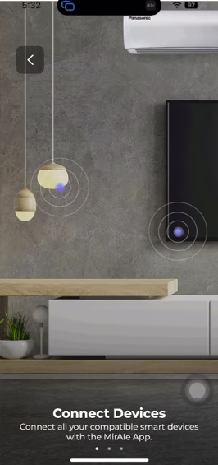 | Dev teams | Done
16 | App launch > User Login > Go to app settings screen > Click on Welcome To MirAIe option > App Tour - Slide 1,2,3 | Blank screen will display initially While scrolling slides from left to right and right to left | High | Closed | 1.3.19 (7) | Pass |  | Dev teams | Done
17 | Click on Sign up > Enter mobile / email and registered > Setup home details page | Actual Resuslt : User landing to dashboard screen after successful registered, Expected Result : User will land to setup Home details page after successfully completed sign up for new user | High | Closed | 1.3.19 (7) | Pass |  | Dev teams
18
19
20

